Coverpage
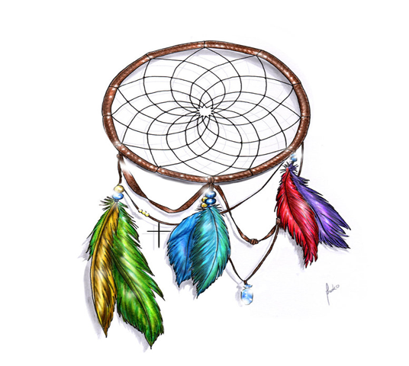

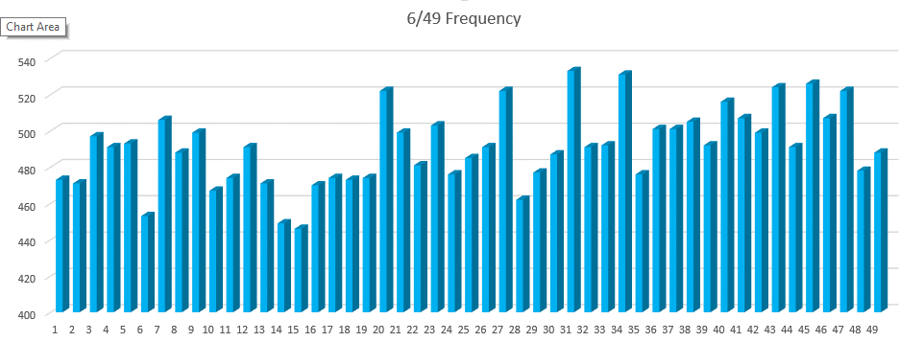

STATISTIC Pro
GENERATOR

DREAMCATCHER

Toto 7/49 Statistic Programmed By Remy Lim 2017 Jan Ver 3.1

Frequency
6/49 Frequency
334 | 100%
Numbers | Overall | Freq N | Freq S | 1 Month | 3 Month | 6 Month | 9 Month | 12 Month
1 | 49 | 45 | 4 | 2 | 7 | 13 | 19 | 24
2 | 42 | 37 | 5 | 2 | 8 | 14 | 16 | 20
3 | 54 | 46 | 8 |  | 5 | 10 | 20 | 26
4 | 35 | 30 | 5 | 2 | 4 | 8 | 15 | 19
5 | 38 | 32 | 6 | 1 | 4 | 10 | 13 | 16
6 | 47 | 36 | 11 | 3 | 6 | 9 | 16 | 21
7 | 45 | 38 | 7 | 2 | 7 | 14 | 20 | 24
8 | 56 | 48 | 8 | 2 | 6 | 12 | 16 | 28
9 | 49 | 41 | 8 |  |  | 7 | 13 | 19
10 | 42 | 40 | 2 | 1 | 7 | 14 | 18 | 25
11 | 58 | 50 | 8 | 1 | 4 | 6 | 16 | 25
12 | 42 | 36 | 6 | 4 | 5 | 6 | 14 | 18
13 | 56 | 45 | 11 | 2 | 4 | 11 | 19 | 28
14 | 42 | 34 | 8 | 3 | 6 | 8 | 16 | 16
15 | 56 | 44 | 12 |  | 5 | 13 | 17 | 26
16 | 48 | 40 | 8 | 1 | 5 | 7 | 15 | 22
17 | 47 | 43 | 4 | 2 | 6 | 12 | 20 | 23
18 | 44 | 37 | 7 | 2 | 3 | 6 | 12 | 17
19 | 42 | 36 | 6 | 3 | 5 | 9 | 14 | 19
20 | 48 | 42 | 6 |  | 2 | 10 | 17 | 23
21 | 48 | 39 | 9 | 1 | 7 | 10 | 17 | 23
22 | 43 | 37 | 6 | 2 | 7 | 13 | 20 | 25
23 | 48 | 43 | 5 | 1 | 4 | 9 | 17 | 19
24 | 38 | 29 | 9 |  | 3 | 7 | 10 | 13
25 | 46 | 43 | 3 | 3 | 8 | 13 | 19 | 26
26 | 39 | 34 | 5 | 1 | 4 | 10 | 14 | 16
27 | 51 | 47 | 4 | 1 | 3 | 11 | 17 | 22
28 | 55 | 44 | 11 | 3 | 7 | 12 | 17 | 23
29 | 52 | 44 | 8 | 3 | 5 | 8 | 15 | 23
30 | 56 | 46 | 10 | 1 | 6 | 9 | 18 | 25
31 | 42 | 37 | 5 | 3 | 7 | 12 | 15 | 24
32 | 61 | 57 | 4 | 1 | 5 | 7 | 14 | 18
33 | 44 | 38 | 6 | 1 | 8 | 17 | 21 | 22
34 | 39 | 36 | 3 | 2 | 7 | 12 | 19 | 22
35 | 60 | 51 | 9 | 3 | 6 | 17 | 23 | 26
36 | 42 | 37 | 5 | 3 | 5 | 9 | 12 | 19
37 | 50 | 42 | 8 | 2 | 7 | 13 | 19 | 24
38 | 42 | 35 | 7 | 4 | 9 | 15 | 18 | 21
39 | 46 | 35 | 11 | 2 | 4 | 11 | 18 | 24
40 | 55 | 45 | 10 | 3 | 10 | 16 | 21 | 28
41 | 61 | 50 | 11 | 3 | 7 | 17 | 24 | 31
42 | 45 | 39 | 6 | 4 | 8 | 14 | 17 | 21
43 | 46 | 38 | 8 | 1 | 5 | 11 | 19 | 26
44 | 56 | 53 | 3 | 2 | 11 | 15 | 21 | 30
45 | 54 | 44 | 10 | 1 | 2 | 9 | 16 | 23
46 | 47 | 45 | 2 | 2 | 4 | 11 | 18 | 22
47 | 45 | 41 | 4 | 2 | 5 | 6 | 12 | 19
48 | 40 | 36 | 4 |  | 2 | 6 | 13 | 16
49 | 47 | 39 | 8 | 3 | 8 | 13 | 16 | 22

